Location Plan & Summary
Intelligent Data Collection Limited

Client: | Bristol City Council |  | Date of Survey: |  | 24.03.2015
Project Number: | ID02263 |  | Site Name: |  | St Andrew's Road
Site Number: | Site 1 |  | Survey Type: |  | Two-way Link Count

X Coordinate |  | Y Coordinate |  | Google Maps Link
51.511234 |  | -2.695158 |  | Click Here
AM Peak Conditions |  | Inter-Peak Conditions |  | PM Peak Conditions
Sunny |  | Partially cloudy |  | Cloudy
Junction Layout

N

 |  | Arm A - St Andrew's Road (N)

 |  |  |  |  |  | Arm B - St Andrew's Road (S)

Aerial Mapping and On-site Camera View
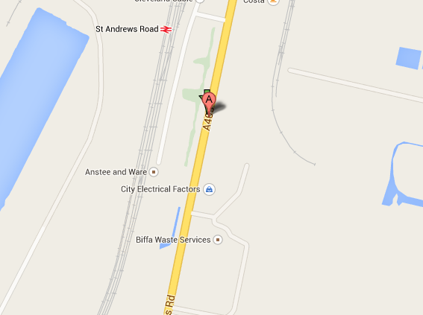
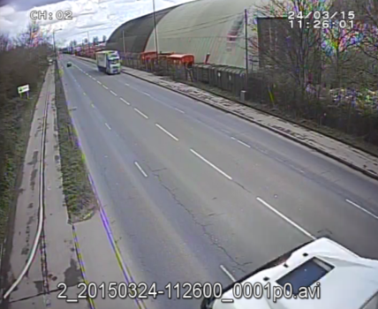

Arm A - St Andrew's Road (N)

Arm B - St Andrew's Road (S)

Junction Flow Profile
Arm Approach Flows (All Vehicles)
 | A to B (Southbound) | B to A (Northbound) | Two-way Total
0:00:00 | 26 | 11 | 37
0:15:00 | 25 | 26 | 51
0:30:00 | 23 | 21 | 44
0:45:00 | 20 | 18 | 38
1:00:00 | 32 | 23 | 55
1:15:00 | 32 | 17 | 49
1:30:00 | 15 | 21 | 36
1:45:00 | 15 | 18 | 33
2:00:00 | 27 | 22 | 49
2:15:00 | 16 | 26 | 42
2:30:00 | 24 | 27 | 51
2:45:00 | 34 | 36 | 70
3:00:00 | 25 | 28 | 53
3:15:00 | 31 | 30 | 61
3:30:00 | 31 | 29 | 60
3:45:00 | 30 | 46 | 76
4:00:00 | 26 | 45 | 71
4:15:00 | 57 | 49 | 106
4:30:00 | 54 | 44 | 98
4:45:00 | 70 | 59 | 129
5:00:00 | 63 | 60 | 123
5:15:00 | 66 | 96 | 162
5:30:00 | 66 | 165 | 231
5:45:00 | 84 | 160 | 244
6:00:00 | 147 | 118 | 265
6:15:00 | 118 | 117 | 235
6:30:00 | 103 | 153 | 256
6:45:00 | 163 | 207 | 370
7:00:00 | 132 | 179 | 311
7:15:00 | 142 | 209 | 351
7:30:00 | 135 | 218 | 353
7:45:00 | 137 | 254 | 391
8:00:00 | 144 | 199 | 343
8:15:00 | 140 | 219 | 359
8:30:00 | 128 | 219 | 347
8:45:00 | 136 | 202 | 338
9:00:00 | 121 | 159 | 280
9:15:00 | 107 | 160 | 267
9:30:00 | 115 | 158 | 273
9:45:00 | 132 | 134 | 266
10:00:00 | 111 | 132 | 243
10:15:00 | 125 | 134 | 259
10:30:00 | 103 | 162 | 265
10:45:00 | 145 | 133 | 278
11:00:00 | 120 | 155 | 275
11:15:00 | 108 | 137 | 245
11:30:00 | 141 | 119 | 260
11:45:00 | 141 | 147 | 288
12:00:00 | 146 | 155 | 301
12:15:00 | 135 | 133 | 268
...

Additional Notes (Factors which may impact on survey results such as accidents, roadworks, special events):

